dashboard
$1,60,825.80
Total_sales
5370
Total_orders
12234
Dished_served
2.28
orderper person
$29.95
Salespertable

Sales by category
 | Total
American | ₹ 28,454.15
Asian | ₹ 47,182.85
Italian | ₹ 49,922.85
Mexican | ₹ 35,265.95
Order by category
 | Count of order_details_id | order per person
American | 2762 | 1.28
Asian | 3511 | 1.33
Italian | 2975 | 1.29
Mexican | 2986 | 1.31

Orders by Hours
 | Total
10 | 5
11 | 630
12 | 1672
13 | 1575
14 | 968
15 | 751
16 | 1054
17 | 1370
18 | 1307
19 | 1085
20 | 889
21 | 608
22 | 309
23 | 11
Top 10 dishes
 | Total
Cheeseburger | 584
Chips & Salsa | 471
Edamame | 631
French Fries | 586
Hamburger | 623
Korean Beef Bowl | 592
Mac & Cheese | 471
Spaghetti & Meatballs | 474
Steak Torta | 500
Tofu Pad Thai | 565
orders by day of week
 | Total
Sunday | 1776
Monday | 2010
Tuesday | 1788
Wednesday | 1531
Thursday | 1689
Friday | 1822
Saturday | 1618

Sheet4
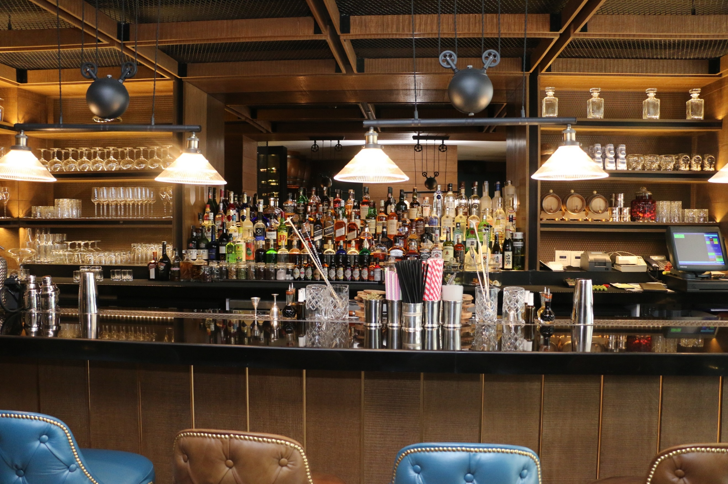

Orders by Hours
 | Total
10 | 5
11 | 630
12 | 1672
13 | 1575
14 | 968
15 | 751
16 | 1054
17 | 1370
18 | 1307
19 | 1085
20 | 889
21 | 608
22 | 309
23 | 11
Top 10 dishes
 | Total
Cheeseburger | 584
Chips & Salsa | 471
Edamame | 631
French Fries | 586
Hamburger | 623
Korean Beef Bowl | 592
Mac & Cheese | 471
Spaghetti & Meatballs | 474
Steak Torta | 500
Tofu Pad Thai | 565
$1,60,825.80
Total_sales
Sales by category
 | Total
American | ₹ 28,454.15
Asian | ₹ 47,182.85
Italian | ₹ 49,922.85
Mexican | ₹ 35,265.95

5370
Total_orders

12234
Dished_served
orders by day of week
 | Total
Sunday | 1776
Monday | 2010
Tuesday | 1788
Wednesday | 1531
Thursday | 1689
Friday | 1822
Saturday | 1618
Order by category
 | Count of order_details_id | order per person
American | 2762 | 1.28
Asian | 3511 | 1.33
Italian | 2975 | 1.29
Mexican | 2986 | 1.31

2.28
orderper person

$29.95
Salespertable

